Light fixture
 | PROJECT : | M/s SIEMENS HEALTHINEERS, GURGAON
 | SUBJECT : | BILL OF QUANTITIES FOR LIGHTING SYSTEM
 | CONSULT : | E SOLLUTIONS
 | DATE : | 28-Aug-25
 | REVISION: | R0

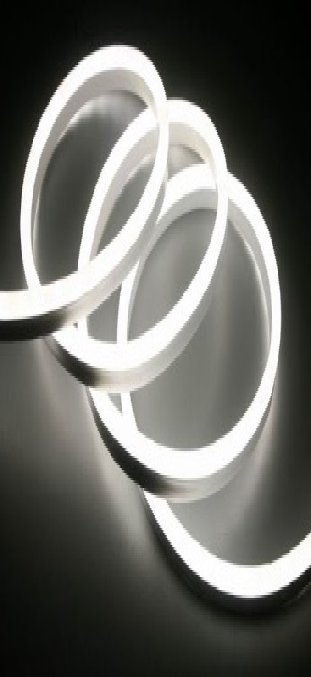

Sl No. | Ref No. | Description | Areas | Fixture Image | UOM | Unit Load (W) | Qty | Supply Rate | Installation Rate | Supply Amount | Installation Amount | Total Amount (INR) | REMARKS
 | A | Task Light Fixtures |  |  |  |  | 456
1 | CL-02 | 10W/M LED Neon Strip Light with Al.Channel, 4000K, IP20, Non Dimmable , Flicker Free Driver with Surge Protection Device, IP20 LED Lifespan L80@50000 H; CRI > 90; UGR≤19; 3 or Less SDCM. Lm Flux > 100 lm/W Installation: The LED Strips to be supplied with Al channel and Cover. Size: L- As per the drawing, W-16mm , H-16mm | Reception |  | Mtr's | 10 | 28 |  |  | - | - | -
2 | CL-03 | 10W/M LED Strip Light with Al.Channel, 3000K, IP20, Non Dimmable , Flicker Free Driver with Surge Protection Device, IP20 LED Lifespan L80@50000 H; CRI > 90; UGR≤19; 3 or Less SDCM. Lm Flux > 100 lm/W Installation: The LED Strips to be supplied with Al channel and Cover. Size: L- As per the drawing , W-15mm , H-10mm | Wellness Room |  | Mtr's | 10 | 8 |  |  | - | - | -

3 | CL-04 | 10W/M LED Linear Wall Grazer Light Fixture, 10° Distribution, 4000K, IP20, Dimmable (DALi 2 D4i)., Flicker Free Driver with Surge Protection Device, IP 20, LED Lifespan L80@50000 H; CRI > 90; UGR≤19; 3 or Less SDCM. Lm Flux > 100 lm/W Installation: Surface Mounted. The LED Strips to be supplied with Mounting Clips. Size: 20mm x 20mm, L - as per drawing | Arena, |  | Mtr's | 10 | 8 |  |  | - | - | -
4 | CL-04a | 10W/M LED Linear Wall Grazer Light Fixture, 10° Distribution, 4000K, IP20, Non Dimmable ., Flicker Free Driver with Surge Protection Device, IP 20, LED Lifespan L80@50000 H; CRI > 90; UGR≤19; 3 or Less SDCM. Lm Flux > 100 lm/W Installation: Surface Mounted. The LED Strips to be supplied with Mounting Clips. Size: 20mm x 20mm, L - as per drawing | Corridor |  | Mtr's | 10 | 7 |  |  | - | - | -
5 | CL-05 | 10W/M LED Strip Light with Al.Channel, 4000K, IP20, DALI Dimmable (DALi 2 D4i), Flicker Free Driver with Surge Protection Device, IP20 LED Lifespan L80@50000 H; CRI > 90; UGR≤19; 3 or Less SDCM. Lm Flux > 100 lm/W Installation: The LED Strips to be supplied with Al channel and Cover.Size : L- As per the drawing, W-15mm , H-10mm | 2Pax, 1Pax , Board Room , Worklounge, Printer , Booth Seating |  | Mtr's | 10 | 38 |  |  | - | - | -
6 | CL-05a | 10W/M LED Strip Light with Al.Channel, 4000K, IP20, Non Dimmable, Flicker Free Driver with Surge Protection Device, IP20 LED Lifespan L80@50000 H; CRI > 90; UGR≤19; 3 or Less SDCM. Lm Flux > 100 lm/W Installation: The LED Strips to be supplied with Al channel and Cover.Size : L- As per the drawing, W-15mm , H-10mm | 2Pax, 1Pax ,Printer,Booth Seating |  | Mtr's | 10 | 26 |  |  | - | - | -
7 | CL-06 | 5W/M LED Strip Light with Al.Channel, 4000K, IP20, Non Dimmable (DALi 2 D4i) , Flicker Free Driver with Surge Protection Device, IP20 LED Lifespan L80@50000 H; CRI > 90; UGR≤19; 3 or Less SDCM. Lm Flux > 100 lm/W Installation: The LED Strips to be supplied with Al channel and Cover.Size : L- As per the drawing, W-15mm , H-10mm | Corridor |  | Mtr's | 5 | 8 |  |  | - | - | -
8 | CL-07 | 10W/M LED Strip Light with Al.Channel, 4000K, IP20,Non Dimmable , Flicker Free Driver with Surge Protection Device, IP54 LED Lifespan L80@50000 H; CRI > 90; UGR≤19; 3 or Less SDCM. Lm Flux > 100 lm/W Installation: The LED Strips to be supplied with Al channel and Cover.Size : L- As per the drawing, W-15mm , H-10mm | Washrooms |  | Mtr's | 10 | 9.5 |  |  | - | - | -
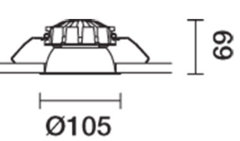
9 | R-01 | 10W LED Recessed Fixed Downlight Fixture with Darklight Reflector, 4000K, IP20, 60° Distribution, Dimmable (DALI 2 D4i ) , Flicker Free Driver with Surge Protection Device, LED Lifespan L80@50000 H; CRI > 90; UGR≤19; 3 or Less SDCM. Lm Flux - 100 lm/W Size : Dia - 93mm , H-95mm | Flex Room, 4 Pax, 6 Pax Meeting room , 4 Pax Hybrid Meeting Room |  | No's | 10 | 37 |  |  | - | - | -
10 | R-01a | 10W LED Recessed Fixed Downlight Fixture with Darklight Reflector, 4000K, IP20, 60° Distribution, Non-Dimmable , Flicker Free Driver with Surge Protection Device, LED Lifespan L80@50000 H; CRI > 90; UGR≤19; 3 or Less SDCM. Lm Flux - 100 lm/W Size : Dia - 93mm , H-95mm | Reception , 4 Pax Visitor Meeting Room, Corridor , Printer |  | No's | 10 | 47 |  |  | - | - | -

11 | R-02 | 15W LED Recessed Downlight Fixture, 3000K IP20, Diffused Distribution , Non Dimmable , Flicker Free Driver with Surge Protection Device, LED Lifespan L80@50000 H; CRI > 90; UGR≤19; 3 or Less SDCM. Lm Flux - 100 lm/W Size : Dia - 150mm , H-53mm | Wellness Room |  | No's | 15 | 7 |  |  | - | - | -
12 | R-02a | 15W LED Recessed Downlight Fixture, 4000K IP20, Diffused Distribution , Non Dimmable , Flicker Free Driver with Surge Protection Device, LED Lifespan L80@50000 H; CRI > 90; UGR≤19; 3 or Less SDCM. Lm Flux - 100 lm/W Size : Dia - 150mm , H-53mm | Store Room |  | No's | 15 | 6 |  |  | - | - | -
13 | R-03 | 10W LED Recessed Downlight Fixture, 4000K IP20, Diffused Distribution , Non Dimmable , Flicker Free Driver with Surge Protection Device, LED Lifespan L80@50000 H; CRI > 90; UGR≤19; 3 or Less SDCM. Lm Flux - 100 lm/W Size : Dia - 150mm , H-53mm | Washrooms |  | No's | 10 | 24 |  |  | - | - | -

14 | S-01 | 30W/mtr Suspended Linear Direct/ Indirect Fixture (70% Direct and 30% Indirect) 4000K, Micro prismatic Diffuser, IP20, Dimmable (DALi 2 D4i). Flicker Free Driver with Surge Protection Device, LED Lifespan L80@50000 H; CRI > 90; UGR≤19; 3 or Less SDCM. Lm Flux - 110 lm/W; Size: Profile Length - 1400mm, W- 60 mm, H- 80mm | Workstation |  | No's | 30 | 20 |  |  | - | - | -
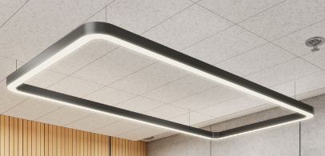
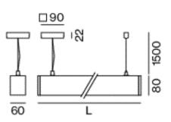
15 | S-02 | 10W/m, LED Suspended/Surface Mount Rectangular Linear Sleek Profile Fixture with Curved Corners, Microprismatic Diffuser, 4000K, IP20, Dimmable (DALi 2 D4i). Flicker Free Driver with Surge Protection Device, LED Lifespan L80@50000 H; CRI > 90; UGR≤19; 3 or Less SDCM. Lm Flux - 100 lm/W; Size: Profile: Length x W:60mm, H:80mm. | Flex Room, 4 Pax, 6 Pax Meeting room, 4 Pax Hybrid Meeting Room |  | Mtrs | 10 | 32 |  |  | - | - | -
16 | S-02a | 10W/m, LED Suspended/Surface Mount Rectangular Linear Sleek Profile Fixture with Curved Corners, Microprismatic Diffuser, 4000K, IP20,Non Dimmable . Flicker Free Driver with Surge Protection Device, LED Lifespan L80@50000 H; CRI > 90; UGR≤19; 3 or Less SDCM. Lm Flux - 100 lm/W; Size: Profile: Length x W:60mm, H:80mm. | Reception , 4 Pax Visitor Meeting Room |  | Mtrs | 10 | 20.5 |  |  | - | - | -
17 | S-03 | 15W LED Pendant Cylindrical Fixture with Darklight Reflector, 4000K, IP20, 60° Distribution, Dimmable (DALI 2 D4i) , Flicker Free Driver with Surge Protection Device, LED Lifespan L80@50000 H; CRI > 90; UGR≤19; 3 or Less SDCM. Lm Flux - 100 lm/W. Size : Dia- 80mm, H- 125- 150mm | Open Office, Open Collab, Teams Table |  | No's | 15 | 40 |  |  | - | - | -
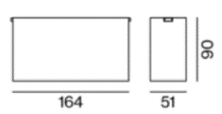
18 | S-04 | 15W, LED Surface Mounted Multispot Fixture, 60 Deg Distribution, 4000K, IP20, Non Dimmable. Flicker Free Driver with Surge Protection Device, LED Lifespan L80@50000 H; CRI > 90; UGR≤19; 3 or Less SDCM. Lm Flux - 100 lm/W; Size: Profile: Length: 164mm, Width:51mm , Height-90mm . | Corridor |  | No's | 15 | 40 |  |  | - | - | -

19 | S-05 | 20W/ mtr, LED Suspended Linear Fixture with microprismatic diffuser, 4000K, IP20, Dimmable (DALi 2 D4i). Flicker Free Driver with Surge Protection Device, LED Lifespan L80@50000 H; CRI > 90; UGR≤19; 3 or Less SDCM. Lm Flux - 100 lm/W; Size: Profile: Length x Width: 60mm, Height- 80mm. | Board Room |  | Mtrs | 20 | 12 |  |  | - | - | -
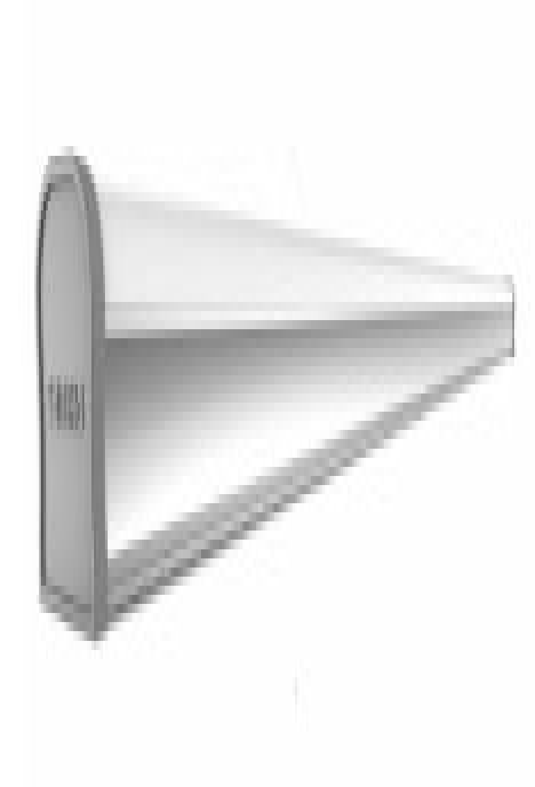
20 | S-06 | 36W/4ft Suspended LED Batten Light Fixture, Diffused Distribution, 4000K, Non Dimmable, SDCM≤3, Life Span - L70@50000H. Driver: Non Dimmable , Flicker free With < 3%. | AHU Room , UPS , Battery Room , Network Room |  | No's | 36 | 20 |  |  | - | - | -
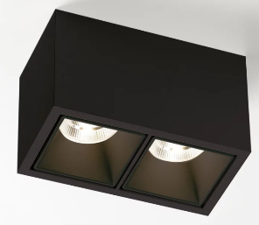
21 | S-07 | 2 x 8W, LED Suspended Mount Twin Downlight Fixture with Al reflector, 60 Deg Distribution, 4000K, IP20, DALI Dimmable(DALI 2 D4i). Flicker Free Driver with Surge Protection Device, LED Lifespan L80@50000 H; CRI > 90; UGR≤19; 3 or Less SDCM. Lm Flux - 100 lm/W; Size: W 80mm, H 90mm, L 148mm | Arena |  | No's | 12 | 9 |  |  | - | - | -
22 | S-09 | 15W LED Surface Cylindrical Fixture with Darklight Reflector, 4000K, IP20, 60° Distribution, Dimmable (DALI 2 D4i) , Flicker Free Driver with Surge Protection Device, LED Lifespan L80@50000 H; CRI > 90; UGR≤19; 3 or Less SDCM. Lm Flux - 100 lm/W, Fixture with inbuilt driver. Installation: Safety Cable is must. Size : Dia- 80mm, H- 90mm- 120mm | Work Lounge |  | No's | 15 | 9 |  |  | - | - | -
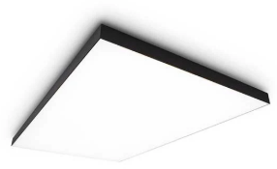
23 | BL-01 | SITC of Backlit Stretch Fabric, 4.5W/Sq Ft, LED Backlit Module, Stretch Fabric customized as per ceiling design, 4000K, IP20, Dimmable (DALI 2 D4i) , Flicker Free Driver with Surge Protection Device, LED Lifespan L80@50000 H; CRI > 90; UGR≤19; 3 or Less SDCM. Lm Flux - 100 lm/W. Note: Vendor to provide complete supply and installation of Stretch Fabric, Wooden/Metal Boxing, LED, Driver etc. | Project Room |  | Sq Ft | 15 | consider in C&I BOQ

 |  | Total for Task Lights: |  |  |  |  |  |  |  |  |  | -

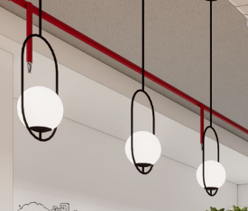
 | B | Decorative Light Fixtures
24 | D-02 | 10W LED Decorative Wall Scones , 4000K, IP20, Non Dimmable , LED Lifespan L80@50000 H; CRI > 90; 3 or Less SDCM. Lm Flux > 100 lm/W, Installation: Wall Mounted , Size: Dia - 300mm, H- 90mm | 2 Pax , 1 Pax Meeting Room, Phone Booth |  | No's | 10 | 3 |  |  | - | - | -
1 | D-03 | 10W LED Decorative Hanging Globe Pendant Light Fixture , 4000K IP20, Dimmable (DALI 2 D4i) ; LED Lifespan L80@50000 H; CRI > 90; 3 or Less SDCM. Lm Flux > 100 lm/W, Installation: Suspended Size: Dia- 250mm | Team Zone |  | No's | 10 | removed qty |  |  |  |  |  | Type of product to be finalized based on approval on Architect's intent.
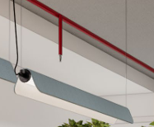
1 | D-03 (Option 2) | 15W/M LED Decorative Linear Pendant Light Fixture with tubular source, 4000K IP20, Dimmable (DALI 2 D4i); LED Lifespan L80@50000 H; CRI > 90; 3 or Less SDCM. Lm Flux > 100 lm/W, Installation: Suspended Size: 1.5m Length | Team Zone |  | No's | 10 | 2 |  |  | - | - | -
1 | D-04 | 20W LED Decorative Hanging Globe Pendant Light Fixture, 4000K IP20, Dimmable (DALI 2 D4i) ; LED Lifespan L80@50000 H; CRI > 90; 3 or Less SDCM. Lm Flux > 100 lm/W, Installation: Rod Suspended. Size: Dia- 300mm | Work Lounge |  | No's | 20 | 4 |  |  | - | - | -
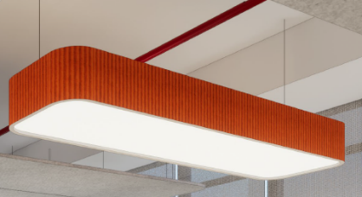
1 | D-05 | 150W LED Decorative Acosutic Hanging Box Light Fixture with fluted edges, 4000K IP20, DALI Dimmable (DALI 2 D4i) ; LED Lifespan L80@50000 H; CRI > 90; 3 or Less SDCM. Lm Flux > 100 lm/W, Installation: Suspended Size: Dia- L- 2920mm, W- 900mm | Workstation |  | No's | 150 | 2 |  |  | - | - | -
25 | D-06 | 30W LED Decorative Acoustic Pendant Light Fixture , 4000K IP20, Dimmable (DALI 2 D4i) ; LED Lifespan L80@50000 H; CRI > 90; 3 or Less SDCM. Lm Flux > 100 lm/W, Installation: Suspended Size: Dia- 600mm | Ope Collab |  | No's | 30 | 2 |  |  | - | - | -
2 | D-07 | 30W LED Decorative Acoustic Pendant Light Fixture , 4000K IP20, Dimmable (DALI 2 D4i) ; LED Lifespan L80@50000 H; CRI > 90; 3 or Less SDCM. Lm Flux > 100 lm/W, Installation: Suspended Size: Dia- 600mm | Ope Collab |  | No's | 30 | 1 |  |  | - | - | -
2 | D-08 | 10W LED Decorative Hanging Globe Pendant Light Fixture, 3000K IP20, Non Dimmable ; LED Lifespan L80@50000 H; CRI > 90; 3 or Less SDCM. Lm Flux > 100 lm/W, Installation: Rod Suspended. Size: Dia- 300mm | Wellness Room |  | No's | 10 | removed qty
2 | D-09 | 10W LED Decorative Hanging Globe Light Fixture, 4000K, IP20, Non Dimmable , LED Lifespan 50000 H; CRI > 90; 3 or Less SDCM. Lm Flux > 60 lm/W, Installation: Suspended. Size- Dia - 140mm, H- 150mm | Washroom |  | No's | 10 | removed qty
2 | D-10 | 30W LED Ceiling Mounted 2x2 Light Fixture with Sidelit Diffuser with centre opening, 4000K, IP20, DALI Dimmable, LED Lifespan 50000 H; CRI > 90; 3 or Less SDCM. Lm Flux > 100 lm/W, Installation: on Acoustic Coffer Ceiling, Size- 600mm x 600mm. Note: Vendor to include acoustic panel to cover the centre opening. | Work Lounge |  | No's | 30 | 21 |  |  | - | - | - | Qty. to be updated based on final simulation report.
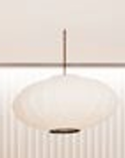
26 | D-12 | 15W LED Decorative Pendant Light Fixture, 4000K, IP20, DALI Dimmable , LED Lifespan 50000 H; CRI > 90; 3 or Less SDCM. Lm Flux > 60 lm/W, Installation: Suspended. Size- Dia - 600mm x 200mm H | Booth Seating - Façade Side |  | No's | 15 | 2 |  |  | - | - | -
3 | D-12a | 15W LED Decorative Pendant Light Fixture, 4000K, IP20, Non Dimmable , LED Lifespan 50000 H; CRI > 90; 3 or Less SDCM. Lm Flux > 60 lm/W, Installation: Suspended. Size- Dia - 600mm x 200mm H | Booth Seating |  | No's | 15 | removed qty
3 | D-13 | 20W LED Decorative Metal Dome Pendant Light Fixture with Diffused Distribution with Diffuser, 4000K, IP20, DALI Dimmable , LED Lifespan 50000 H; CRI > 90; 3 or Less SDCM. Lm Flux > 60 lm/W, Installation: Suspended. Size- Dia - 600mm | 11 Pax Meeting Room | 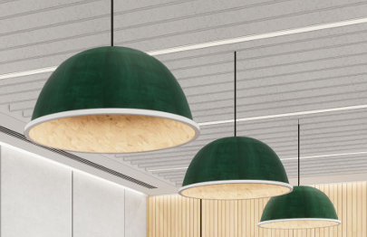 | No's | 20 | 3 |  |  | - | - | -
 |  | Total for Decorative Lights: |  |  |  |  |  |  |  |  |  | -

 |  | Total for A+B: |  |  |  |  |  |  |  |  |  | -
 |  | GST: |  |  |  |  |  |  |  |  |  |  | GST is extra as applicable

 |  | Grand Total:

